Additional Info
Key Moments

Changes to scoring in a match
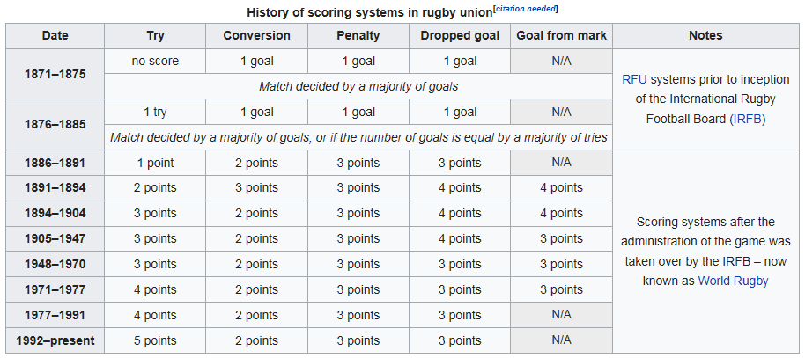

Bonus Points Introduced
Scoring Championship points 2017 to2018 | Bonus points were introduced: The system is similar to the one used in most rugby championships (0 points for a loss, 2 for a draw, 4 for a win, 1 for scoring four or more tries in a match, and 1 for losing by 7 points or fewer), with the only difference being that a Grand Slam winner will be given 3 extra points to ensure they finish top of the table.

The following trophies are contested within the main competition, mostly as long-standing fixtures between pairs of teams:
Calcutta Cup | Contested annually between England and Scotland since 1879.
Millennium Trophy | Contested annually between England and Ireland since 1988, presented to celebrate Dublin's millennium in 1988.
Centenary Quaich | Contested annually between Ireland and Scotland since 1989.
Giuseppe Garibaldi Trophy | Contested annually between France and Italy since 2007, in memory of Giuseppe Garibaldi, leader in the unification of Italy and volunteer in the French Republican Army against Prussia.
Auld Alliance Trophy | Contested annually between France and Scotland since 2018, in memory of the war dead from the rugby communities of Scotland and France.

The Calcutta Cup
The cup is of Indian workmanship, approximately 18 inches (45 cm) high, the body is finely engraved with three king cobras forming the handles. The domed lid is surmounted by an elephant which is, it is said, copied from the Viceroy's own stock. The inscription on the Cup's wooden base reads: THE CALCUTTA CUP. The base has attached to it additional plates which record the date of each match played with the name of the winning country and the names of the two captains. There is an anomaly in the recording of the winning country on the base of the Cup. It was first played for in 1879, but the plinth shows records extending back to the first international in 1871. The original trophy is in a very fragile state following many years of poor treatment and is not in a strong enough condition to attend functions or go on tours. When won by England the original Calcutta Cup is put on public display in the Museum of Rugby in Twickenham, where it slowly turns around in a purpose built showcase. Both nations have full size replicas of the Cup. Whilst the original was handmade by Indian craftsmen, the replicas were made using modern technology. In 1988 the cup was damaged by the antics of some drunken players, including England number eight Dean Richards and Scotland flanker John Jeffrey who played football with the Calcutta Cup along Princes Street in Edinburgh. Jeffrey received a six-month ban from the SRU, whilst Richards was given a one-match sentence from England.

